T18-T19
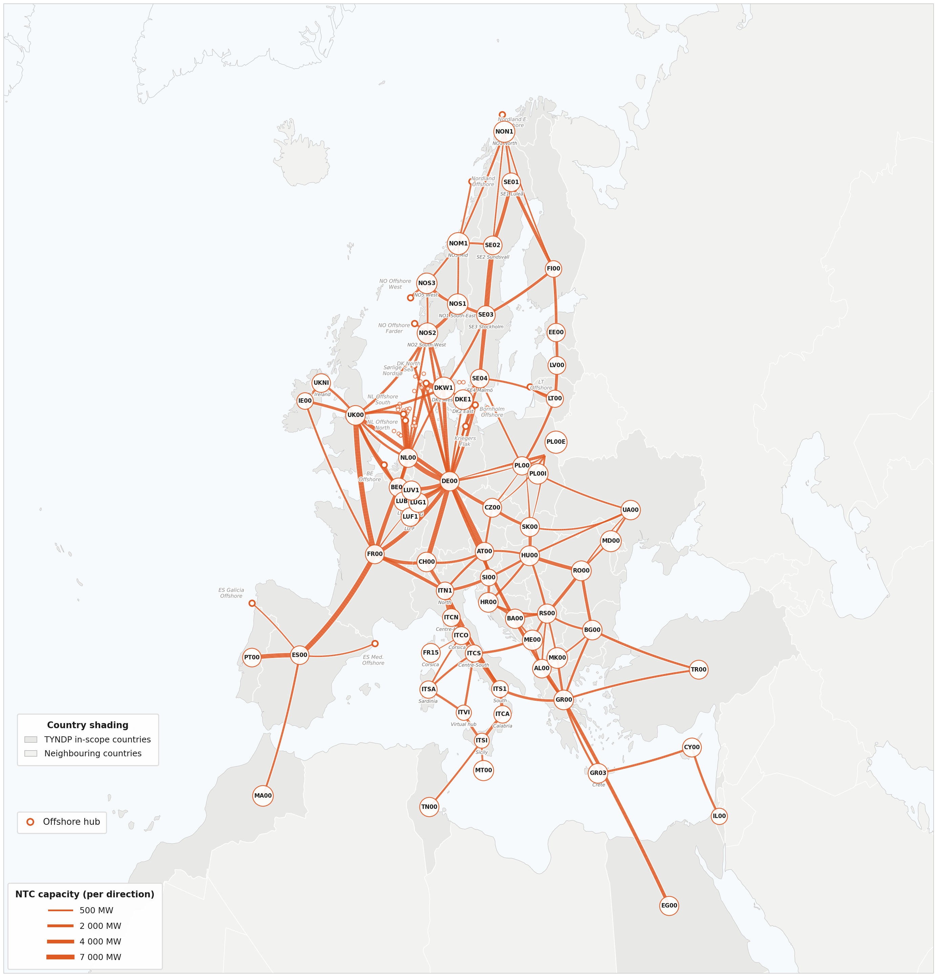
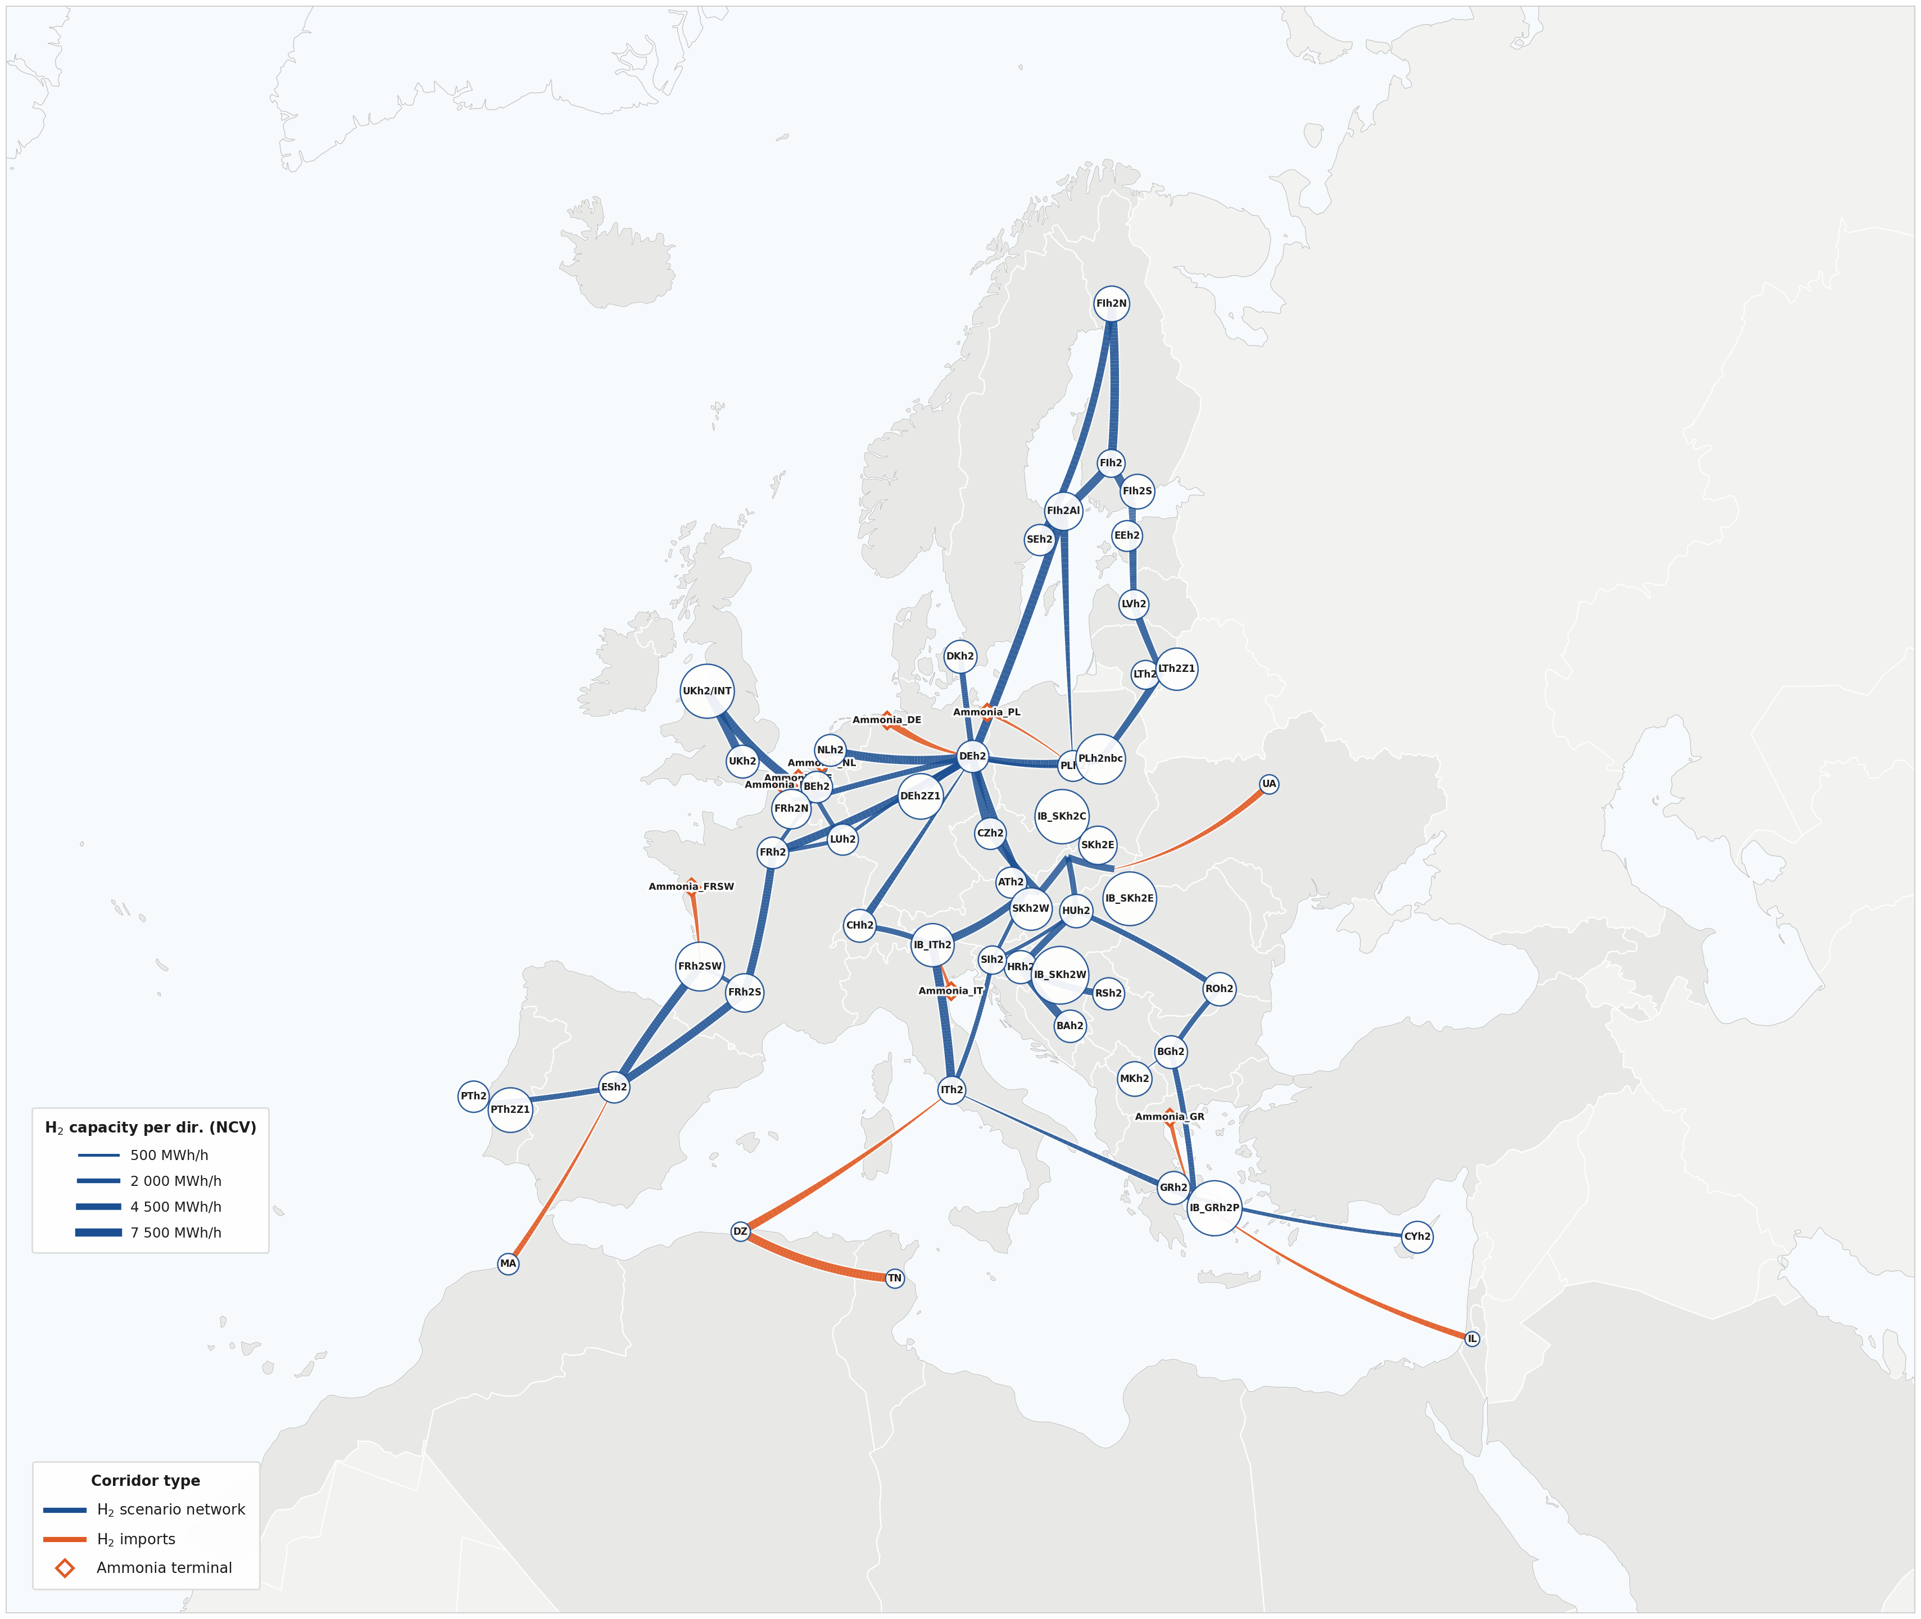
Table 18. Electricity transmission grid: maturity and key characteristics
Maturity | Description | Key Characteristics
Under Consideration | Project at an early stage of development, with preliminary studies underway or conceptual design initiated. | No formal permitting process commenced; feasibility or pre-feasibility studies may be ongoing.
Planned – Not Yet in Permitting | Project included in formal planning frameworks but not yet submitted for permitting. | Typically included in a National Development Plan or equivalent; system need identified; preliminary technical design available.
In Permitting | Permitting process formally initiated; project under active review by relevant authorities. | Application submitted to permitting authority; Environmental Impact Assessment (EIA) may be in progress; public consultation may have been initiated.
EIA Completed | Environmental Impact Assessment process concluded; project approved from an environmental perspective. | Permitting substantially advanced; remaining steps typically relate to final construction approvals or land acquisition.
Under Construction | Physical construction or procurement activities have commenced. | Final Investment Decision (FID) taken; contracts awarded; site works initiated or equipment manufacturing underway.

Table 19: Electricity grid: Selection criteria for each time horizon: 2030, 2035, 2040 and 2050
Horizon | Minimum Maturity Threshold | Rationale
2030 | Under Construction or EIA Completed | Only projects with the highest maturity are included, reflecting the limited time remaining for commissioning. These projects have either commenced construction or completed the most critical permitting milestone, making their timely delivery highly probable.
2035 | In Permitting or Planned (not yet in permitting) | The inclusion set expands to incorporate projects in active permitting or at an advanced planning stage. The longer lead time to this horizon provides a reasonable window for these projects to progress through remaining development stages.
2040 | In Permitting or Planned (not yet in permitting) | As for 2035, projects in permitting or at an advanced planning stage are included. The additional time buffer further supports the expectation that these projects will reach commissioning.
2050 | Selected Under Consideration + long-term conceptual projects | The set extends to selected Under Consideration projects and long-term conceptual projects submitted by project promoters during the Q2‑2025 data-collection window. This reflects the exploratory nature of 2050 modelling and the need to capture strategic infrastructure trajectories.

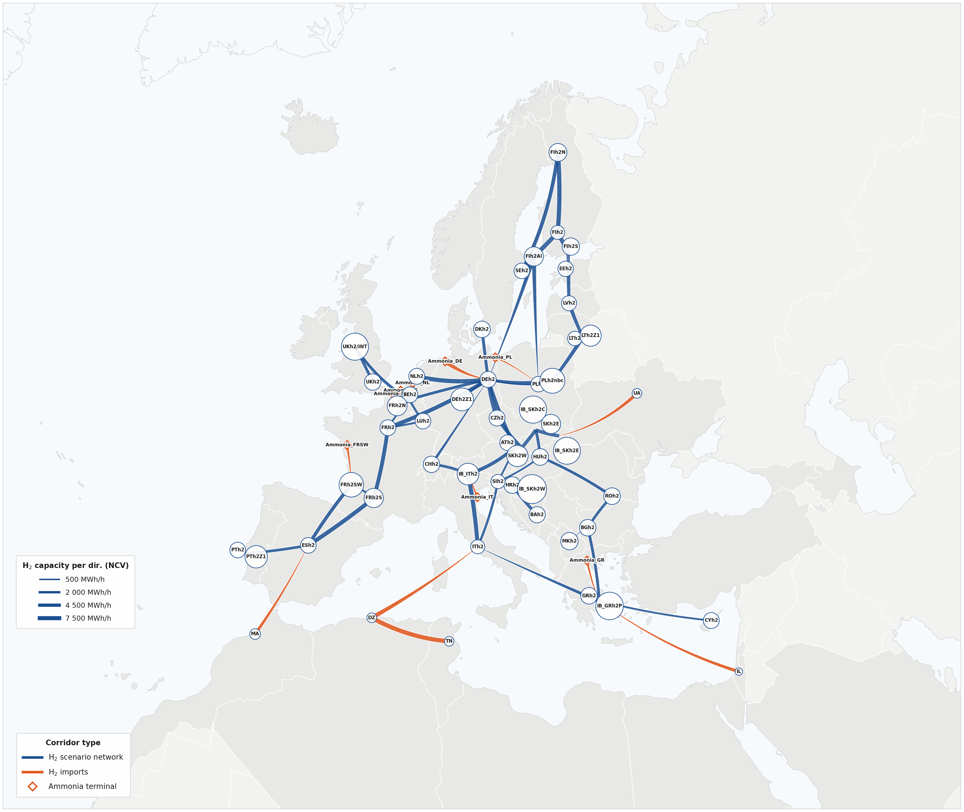
 |  |  | 2040 | 2040
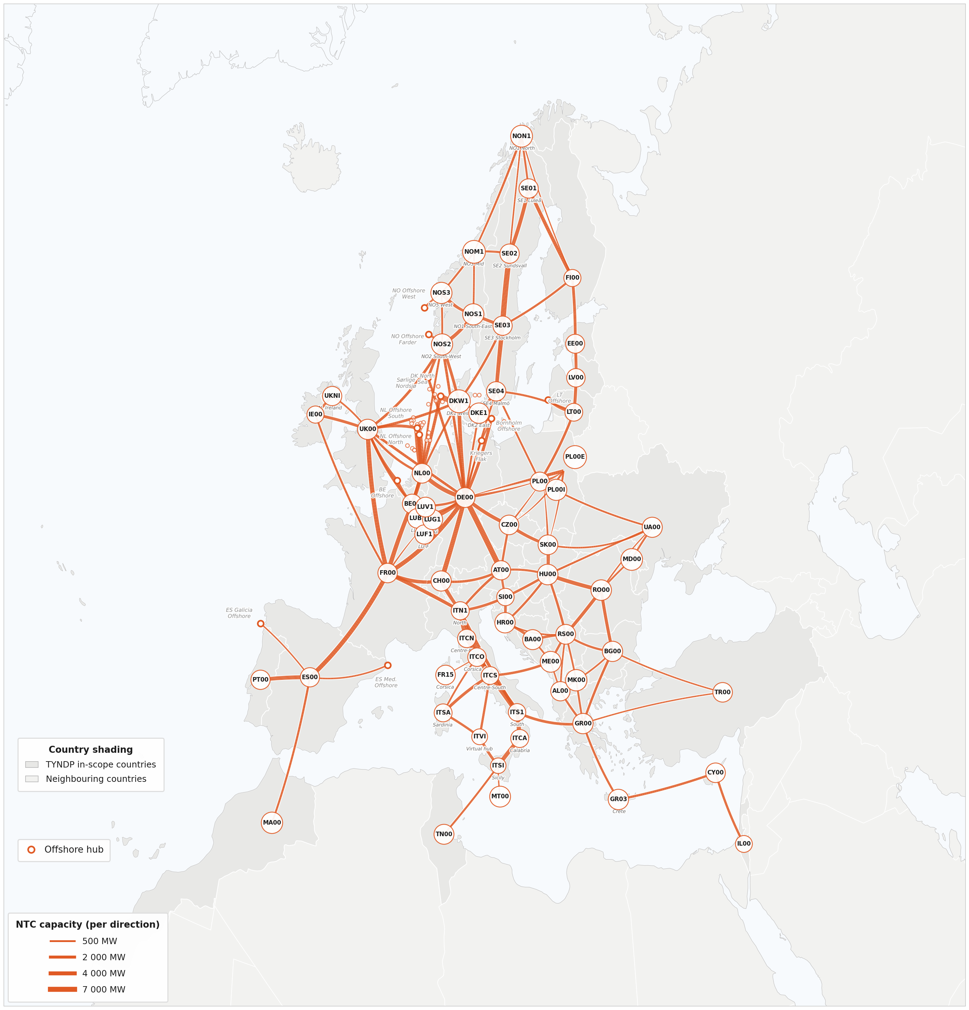

 |  |  | 2050 | 2050

T25
Table 25: Overview of economic variant parameters, treatment per variant, and modelling status
 | Parameter | Description | High Economy | Low economy | Status
 | DEMAND - TECHNOLOGY MIX
varies
 | Adoption rate | Uptake of EVs, heat pumps, H₂, electricity-driven technologies | Faster | Slower
varies
 | Phase-out rate | Retirement of coal, oil and gas boilers, ICEs | Faster | Slower
 | DEMAND - ACTIVITY
varies
 | Absolute demand shifts | Sectoral volumes: industrial output, transport demand | Higher | Lower
 | DEMAND - EFFICIENCY
No lever
 | Energy efficiency | Implicit via technology choice only | NA | NA
No lever
 | Insulation level | Insulation level in Household & Building sector | NA | NA
 | SUPPLY - PRICES
varies
 | CO₂ (ETS) price | ±10% vs neutral trajectory | +10% | -10%
varies
 | Fossil commodity prices | ±10% vs neutral trajectory | +10% | -10%
varies
 | Blue H₂ price (NO imports) | Scales with commodity ±10% | +10% | -10%
varies
 | E-fuels and biofuels share | Harmonised with economic variant | Increases | Decreases
 | SUPPLY - ENDOGENOUS (MODEL-DETERMINED)
Endogenous
 | CCU/S levels | Optimised by model | Model decides | Model decides
Endogenous
 | Renewable extra EU imports | Optimised by model | Model decides | Model decides
 | SUPPLY - FIXED (STRESS-TEST DESIGN)
fixed
 | Installed supply capacities | Generation, storage, flexibility | Unchanged | Unchanged
fixed
 | Grid capacities | Transmissions and distribution | Unchanged | Unchanged
fixed
 | WACC | Cost of capital for new investment | Unchanged | Unchanged
fixed
 | Technology costs | CAPEX/OPEX for all technologies | Unchanged | Unchanged
fixed
 | Green H₂ and NH3 imports | Import prices held constant | Unchanged | Unchanged

varies
Endogenous
fixed
 |  | Exogenous - set differently per variant
 |  | Value determined by model optimisation
 |  | Held constant - stress-test design choice

